Sheet1
Year | Quarter | Time | Actual Units Sold | Expected Level Et | Seasonal factor St | Forecast | For first p period, the expected level is calculated as the average of the data of the first p periods. Seasonal factor is calculated as the difference of actual units and the expeced level in these first p periods.

2003.00 | 1.00 | 1.00 | 23.00 | 28.75 | -5.75 |  |  | alpha | 0.60
 | 2.00 | 2.00 | 25.00 | 28.75 | -3.75 |  |  | beta | 0.96
 | 3.00 | 3.00 | 36.00 | 28.75 | 7.25
 | 4.00 | 4.00 | 31.00 | 28.75 | 2.25 |  |  | MSE | 26.24
2004.00 | 1.00 | 5.00 | 26.00 | 30.54 | -4.59 | 23.00
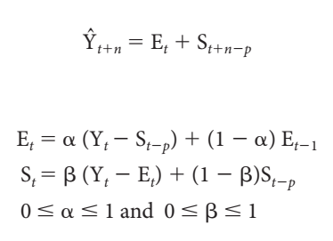
 | 2.00 | 6.00 | 28.00 | 31.27 | -3.28 | 26.79 |  | 17.a | The optimal values of alpha and beta are obtained in the table above.
 | 3.00 | 7.00 | 48.00 | 36.94 | 10.92 | 38.52
Actual units sold and forecast
 | Actual Units Sold | Forecast
1.00 | 23.00
2.00 | 25.00
3.00 | 36.00
4.00 | 31.00
5.00 | 26.00 | 23.00
6.00 | 28.00 | 26.79
7.00 | 48.00 | 38.52
8.00 | 36.00 | 39.19
9.00 | 31.00 | 30.44
10.00 | 42.00 | 32.08
11.00 | 53.00 | 52.22
12.00 | 43.00 | 42.78
 | 4.00 | 8.00 | 36.00 | 35.03 | 1.02 | 39.19
2005.00 | 1.00 | 9.00 | 31.00 | 35.36 | -4.37 | 30.44
 | 2.00 | 10.00 | 42.00 | 41.30 | 0.56 | 32.08
 | 3.00 | 11.00 | 53.00 | 41.76 | 11.23 | 52.22
 | 4.00 | 12.00 | 43.00 | 41.90 | 1.10 | 42.78
2006.00 | 1.00 | 13.00 |  |  |  | 37.52
 | 2.00 | 14.00 |  |  |  | 42.46
 | 3.00 | 15.00 |  |  |  | 53.12
 | 4.00 | 16.00 |  |  |  | 43.00

 |  |  |  |  |  |  | p=4 for quarterly data
 |  |  |  |  |  |  | In this question, n represent the serial quarters in a year. So n=1,2,3,4

 |  |  |  |  |  |  |  | 17.b | The line graph comparing the predictions from this method against the original data is given above.

 |  |  |  |  |  |  |  | 17.c | The forecasts for each quarter in 2006 is included in the table in the red text.

